Sheet2
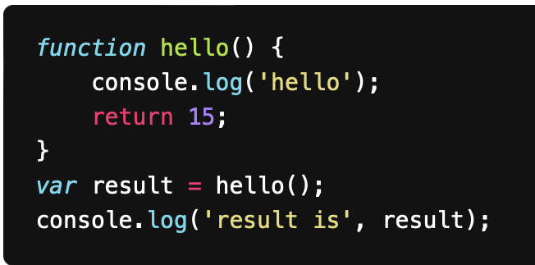
 | Variable | Value | Variable | Value
 | result | hello(); | return | 15
 |  | 15

Console:
hello
result is 15

Sheet3
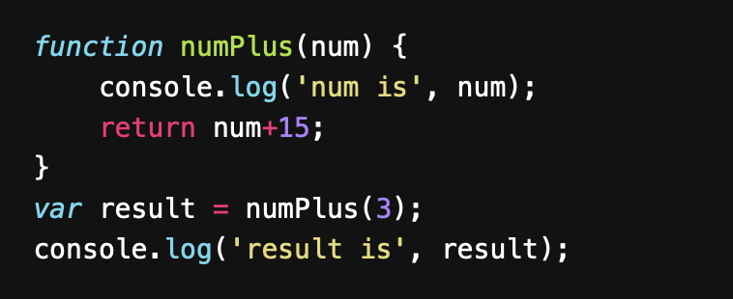
 | Variable | Value | Variable | Value
 | result | numPlus(3); | num | 3
 |  |  | return | 18

Console:
num is, 3
result is 18

Sheet4
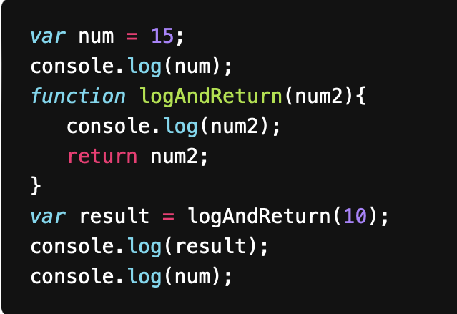
 | Variable | Value | Variable | Value
 | num | 15 | num2 | 10
 | result | logAndReturn(10); | return | num2
 |  | 10 |  | 10

Console:
15
10
10
15

Sheet5
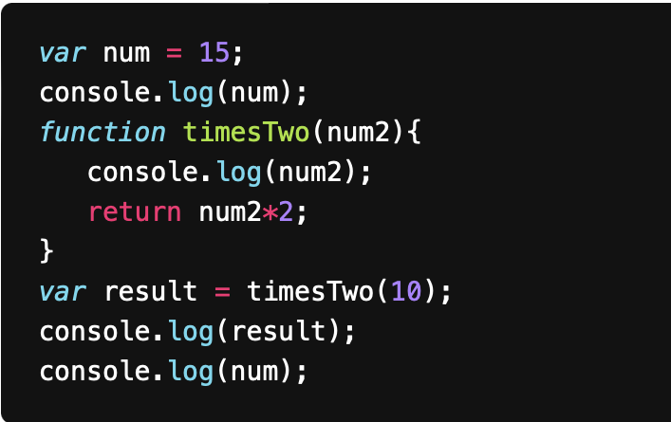
 | Variable | Value | Variable | Value
 | num | 15 | num2 | 10
 | result | timesTwo(10); | return | 10*2
 |  | 20 |  | 20

Console:
15
10
20
15

Sheet6
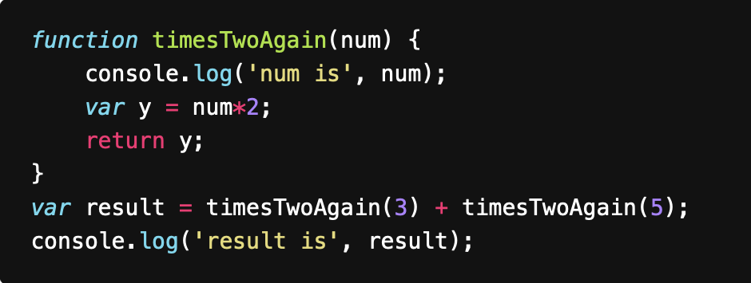
 | Variable | Value | Variable | Value | Variable | Value
 | result | timesTwoAgain(3) + timesTwoAgain(5); | num | 3 | num | 5
 |  | 6 + timesTwoAgain(5); | y | 3*2 | y | 5*2
 |  | 6 + 10 |  | 6 |  | 10
 |  | 16 | return | y | return | y
 |  |  |  | 6 |  | 10

Console:
num is 3
num is 5
result is 16

Sheet7
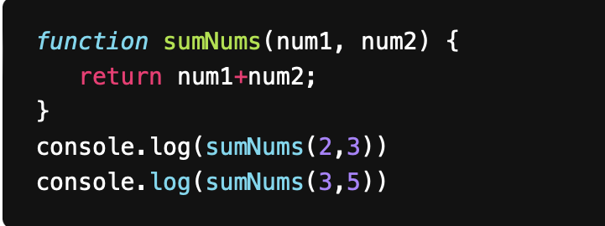
 | Variable | Value | Variable | Value | Variable | Value
 | console.log() | sumNums(2,3) | num1 | 2 | num1 | 3
 |  | 5 | num2 | 3 | num2 | 5
 | console.log() | SumNums(3,5) | return | 2+3 | return | 3+5
 |  | 8 |  | 5 |  | 8

Console:
5
8

Sheet8
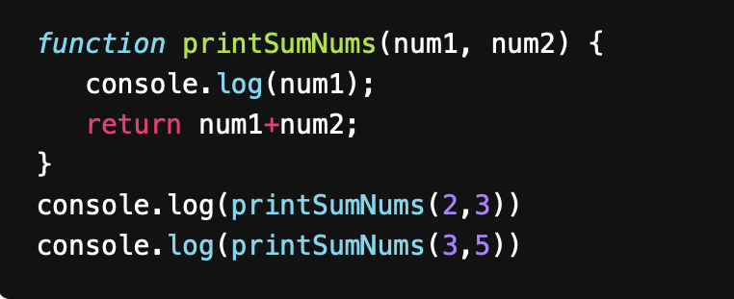
 | Variable | Value | Variable | Value | Variable | Value
 | Console.log | printSumNums(2,3) | num1 | 2 | num1 | 3
 |  | 5 | num2 | 3 | num2 | 5
 | Console.log | prinSumNums(3,5) | return | 2+3 | return | 3+5
 |  | 8 |  | 5 |  | 8

Console:
2
5
3
8

Sheet9
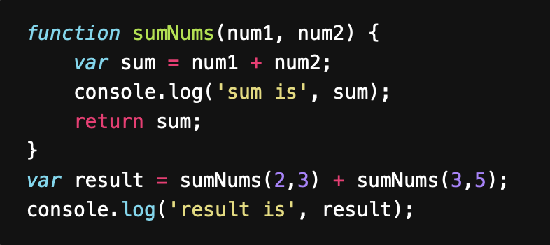
 | Variable | Value | Variable | Value | Variable | Value
 | result | sumNums(2,3) + sumNums(3,5) | num1 | 2 | num1 | 3
 |  | 5 + sumNums(3,5) | num2 | 3 | num2 | 5
 |  | 5 + 8 | sum | num1 + num2 | sum | num1 + num2
 |  | 13 |  | 2+3 |  | 3+5
 |  |  |  | 5 |  | 8
 |  |  | return | sum | return | sum
 |  |  |  | 5 |  | 8

Console:
sum is 5
sum is 8
result is 13

Sheet10
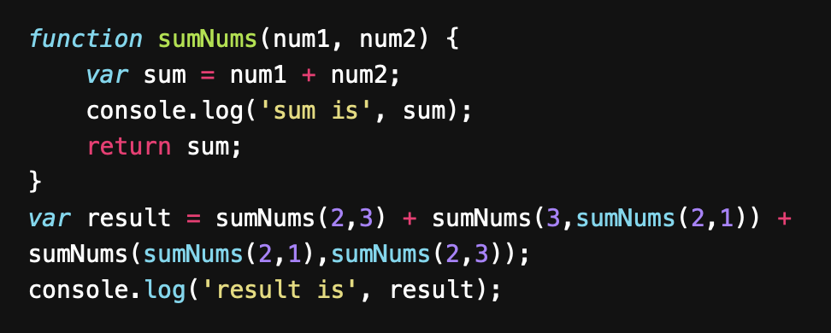
 | Variable | Value | Variable | Value | Variable | Value | Variable | Value | Variable | Value | Variable | Value | Variable | Value
 | result | sumNums(2,3) + sumNums(3, sumNums(2,1)) + sumNums(sumNums(2,1), sumNums(2,3)) | num1 | 2 | num1 | 2 | num1 | 3 | num1 | 2 | num1 | 2 | num1 | 3
 |  | 5 + sumNums(3, sumNums(2,1)) + sumNums(sumNums(2,1), sumNums(2,3)) | num2 | 3 | num2 | 1 | num2 | 3 | num2 | 1 | num2 | 3 | num2 | 5
 |  | 5 + sumNums(3, 3) + sumNums(sumNums(2,1), sumNums(2,3)) | sum | num1 + num2 | sum | 2+1 | sum | 3+3 | sum | 2+1 | sum | num1 + num2 | sum | 3+5
 |  | 5 + 6 + sumNums(sumNums(2,1), sumNums(2,3)) |  | 5 |  | 3 |  | 6 |  | 3 |  | 5 |  | 8
 |  | 5 + 6 + sumNums(3, sumNums(2,3)) | return | sum | return | sum | return | sum | return | sum | return | sum | return | sum
 |  | 5 + 6 + sumNums(3, 5) |  | 5 |  | 3 |  | 6 |  | 3 |  | 5 |  | 8
 |  | 5+6+8
 |  | 19

Console:
sum is 5
sum is 3
sum is 6
sum is 3
sum is 5
sum is 8
result is 19

